System Sand Estimator
 | Fill in yellow fields, use zero in fields that do not apply. Illustrations show dimensions being requested.
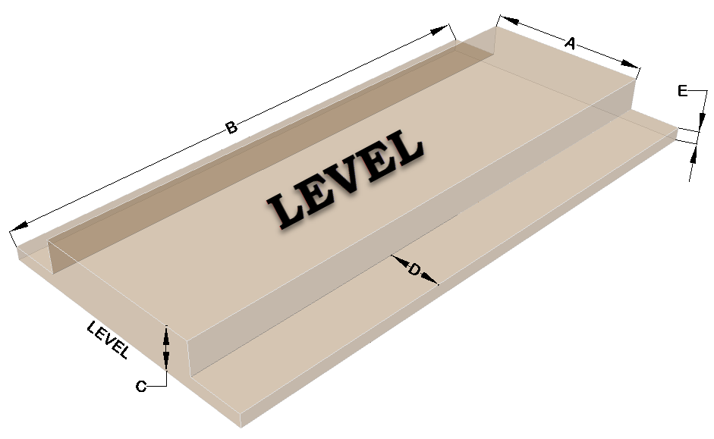
Dimension | AES System Sand Estimator
 | Bed (Level or Sloping) = | Sloping
 | AES Pipe Required = | 210 | ft.
A | Sand Bed Width (Tall Portion) = | 10 | ft.
B | Sand Bed Length = | 31 | ft.
C | Sand Bed Height = | 1 | ft.
D | System Sand Extension Width = | 13.5 | ft.
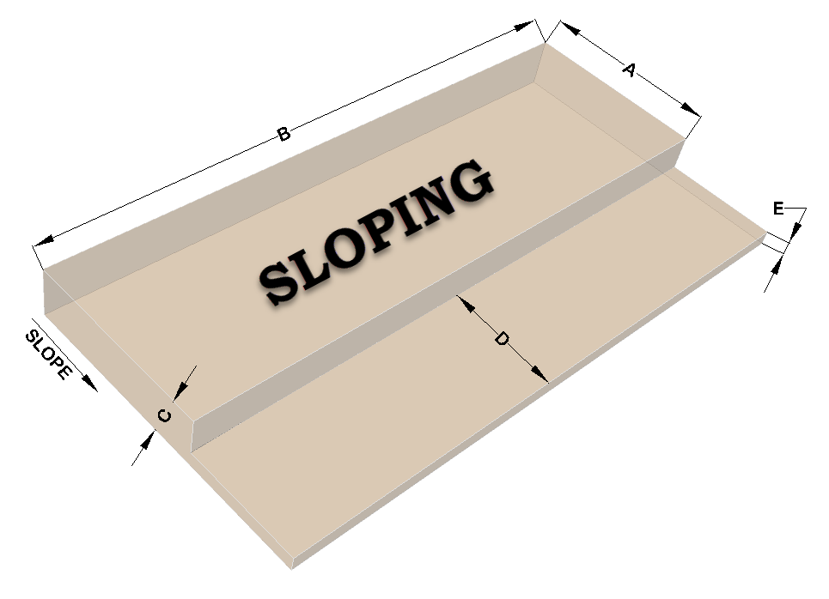
E | System Sand Extension Thickness = | 0.5 | ft.
 | Transportation, Loss & Settling = | 5 | %
 | System Sand Required = | 379 | ft³
 | System Sand Required = | 14.1 | yards³
 | System Sand Required = | 21.1 | ± Tons
 | Cost per Cubic Yard = | $12.00
 | System Sand Cost = | $168.60

